C80F TE
ISOTRA a.s. |  |  |  |  |  |  | ISOTRA a.s. |  |  |  |  |  | ISOTRA a.s.
Bílovecká 2411/1, 746 01 Opava |  | TEL.: +420 553 685 101 | FAX: +420 553 685 110 |  | www.isotra.cz |  | Bílovecká 2411/1, 746 01 Opava | TEL.: +420 553 685 101 | FAX: +420 553 685 110 | www.isotra.cz |  |  | Bílovecká 2411/1, 746 01 Opava | TEL.: +420 553 685 101 | FAX: +420 553 685 110 | www.isotra.cz
Order form External Venetian Blinds |  |  |  |  |  | 1/3 | Order form External Venetian Blinds |  |  |  |  | 2/3 | Order form External Venetian Blinds |  |  |  |  | 3/3
Shaped blinds C80F TE |  |  |  |  |  |  | Shaped blinds C80F TE |  |  |  |  |  | Shaped blinds C80F TE
Order |  |  |  | Customer:
Order No.: |  |  |  | VAT:

Order date: |  |  |  | Invoice address:

Telephone:
 |  |  |  | Delivery address:
Dispatch date:

Position | 1
Quantity | 2
Product abbreviation 2 | 3
Width (mm) | 4
Height (mm) | 5
Product type | 6
Slat type | 7
Blind shape | 8
Slat color | 9
Ladder cord | 10
DUO height (mm) | 11
Order of connected blinds | 12
Control position | 13
Control type | 14
Control length (mm) | 15
Kardan length (mm) | 16
Bushing rod length (mm) | 17
Gearing type | 18
Gearing axis (mm) | 19
Crank handle color | 20
Head-rail material | 21
Head-rail length difference L (mm) | 22
Head-rail length difference P (mm) | 23
Head-rail color | 24
Bottom-rail color | 25
Guiding type | 26
Left guiding | 27
Left guiding - color | 28
Left guiding - bracket type | 29
Left guiding - bracket color | 30
Right guiding | 31
Right guiding - color | 32
Right guiding - bracket type | 33
Right guiding - bracket color | 34
Blind bracket type | 35
Front cover size "A" (mm) | 36
Additional wire guiding | 37
Additional w. guiding - bracket | 38
Additional w. guiding - bracket color | 39
Packing | 40
Additional w. guiding axis L1 (mm) | 41
Additional w. guiding axis L2 (mm) | 42
Additional w. guiding axis L3 (mm) | 43
Dimension "B" (mm) | 44
Dimension "B1" (mm) | 45
Dimension "B2" (mm) | 46
Dimension "C" (mm) | 47
Dimension "D" (mm) | 48
Note | 49

General business terms and Complaint Procedure terms are expressly valid for mutual business between Isotra a.s. and the customer. All terms are available here: |  |  |  |  |  |  | General business terms and Complaint Procedure terms are expressly valid for mutual business between Isotra a.s. and the customer. All terms are available here: |  |  |  |  |  | General business terms and Complaint Procedure terms are expressly valid for mutual business between Isotra a.s. and the customer. All terms are available here:
http://www.isotra.com/complaint-procedure |  | http://www.isotra.com/general-business-terms |  |  |  | Valid from 12.03.2024. | http://www.isotra.com/complaint-procedure | http://www.isotra.com/general-business-terms |  |  | Valid from 12.03.2024. |  | http://www.isotra.com/complaint-procedure | http://www.isotra.com/general-business-terms |  |  | Valid from 12.03.2024.
ISOTRA a.s.
Bílovecká 2411/1, 746 01 Opava |  | TEL.: +420 553 685 101 | FAX: +420 553 685 110 |  | www.isotra.cz
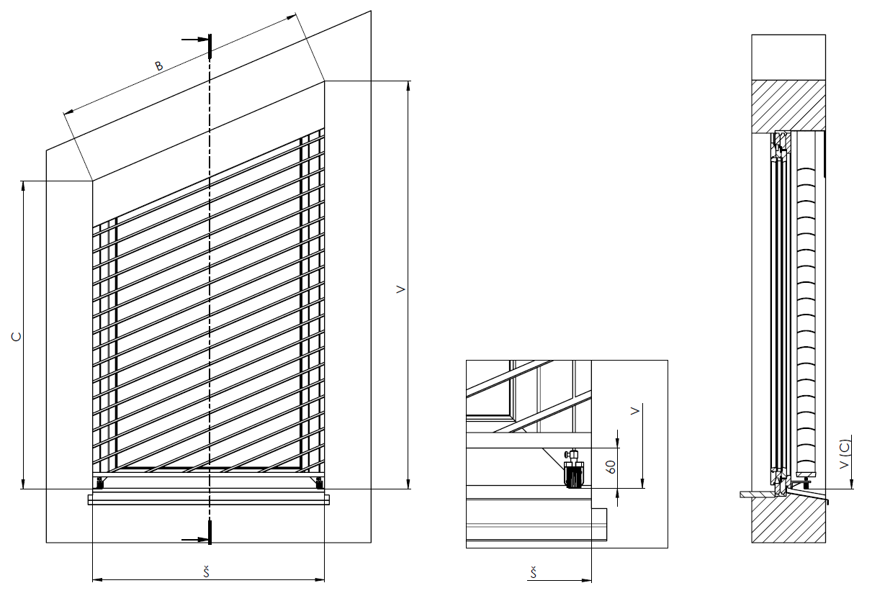
Order form EVB - Explanatory notes

Front cover size "A" (mm) | 36 | Enter front cover size A. Necessary for blind bracket extension type.

Dimension "B" (mm) | 44 | Enter the lenght of the hypotenuse, see picture.

Dimension "C" (mm) | 47 | Enter the height of the shorter side, see picture.

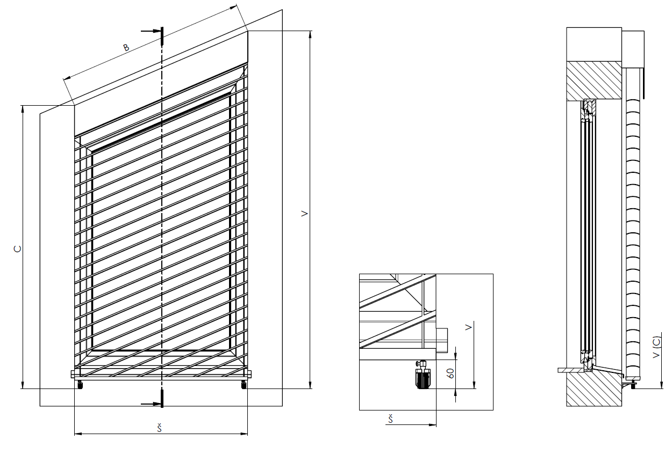

General business terms and Complaint Procedure terms are expressly valid for mutual business between Isotra a.s. and the customer. All terms are available here:
http://www.isotra.com/complaint-procedure |  | http://www.isotra.com/general-business-terms |  |  |  | Valid from 12.03.2024.

